Sheet1
1 | Change Configuration names like this

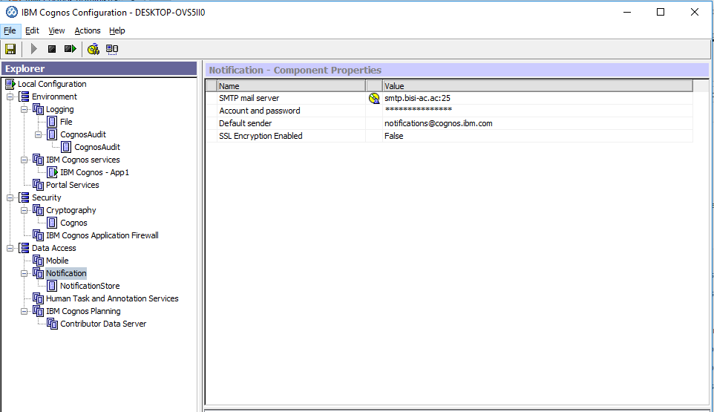

 | 2- Firewall
 | 3- Add Cognos Audit to logging in all components - FD1, FD2, App1, App2
 | 4:Router DHCP reserved IP's -
 | 5- Emails on Appw : Carlos- Done
 | 6-Content Security from the portal, ( Mia)- Done
 | 7- test with ldap users ( Ahmad)- Done
 | 8- Audit sometime is not working (Carlos)

